FOL
First Order Logic - Structure

 | FOL is used to model/represent a world
 | FOL is built around Objects and Relations.

 | FOL World contains:

 |  | Objects (nouns) |  | - also called domain elements
 |  | Relation (verbs) |  | - Unary relations (properties) or n-ary relations like brother of, has color, comes between
 |  | Functions |  | - Unique relation
 |  |  |  | - Single value or Unique relation like father of, best friend, third inning, etc.
 |  |  |  | - Denoted by arrow (Richard -> Richard's left leg)

 |  | Domain |  | - set of objects |  |  |  | Note: Domains are mostly specific and limited.
 |  |  |  | A domain is just some part of the world about which we wish to express some knowledge.

 |  | Tuple |  | - Collection of objects having a specific relation. Written in <>

 | FOL Syntax

 |  | The basic syntax element of FOL are symbols that stand for objects, relations and functions.

 |  | Constant Symbols |  | Represents Objects |  |  | Richard, John
 |  | Predicate Symbols |  | Represents Relations |  |  | Brother, OnHead, Person, King, Crown |  |  | Symbols begin with Capital letter.
 |  | Function Symbols |  | Represents Functions. |  |  | LeftLeg

 |  | Constant | --- | A | X1 | John | ...

 |  | Variable | --- | a | x | s | ... |  |  | Lower case

 |  | Predicate | --- | Before | HasColor | Raining | ....

 |  |  |  | P(x, y) = x is P of y
 |  |  |  | Brother(Richard, John) implies that Richard is brother of John.

 |  | Function | --- | Mother | LeftLeg

 |  |  |  | F(x) = F is the function/property of x or x has property/function F.
 |  |  |  | LeftLeg(John) implies that we are talking about Left leg of John

 |  | Term |  | Constant | Variable | Function(Term, ...) |  |  |  |  | It refers to an object or property of an object through function.

 |  | Atomic Sentence |  | Term = Term | Predicate (Term, ...) |  |  |  |  | It states facts. It is formed from a predicate symbol followed by a parenthesized list of terms.

 |  |  |  | E.g. : Brother(Richard, John) |  |  |  |  | Brother is the predicate, while Richard and John are terms.

 |  |  |  | E.g.: Married(Father(Richard), Mother(John)) |  |  |  |  | It can also have complex terms as arguments.
 |  |  |  |  |  |  |  |  | This one shows that father of Richard and Mother of John are married.

 |  | Complex Sentence |  | Atomic Sentence | NOT(Sentence)
 |  |  |  | | Quantifier Variable, ... Sentence
 |  |  |  | | (Sentence Connective Sentence) |  |  |  |  | We can use logical connectives to construct more complex sentences.

 |  | Term |  | - A logic statement related to an object is called Term.
 |  | Atomic Sentence |  | - When a predicate symbol is followed by list of terms in parenthesis, it forms an atomic sentence.
 |  |  |  | - E. g.: Colleague(Oliver, Astrid)
 |  | Complex Sentence |  | - A complex sentence would have atomic sentences connected with logical connecters

 |  | All and Exist Quantifier |  | -These are used to express properties of objects which may apply to all or at least one object of the collection.
 |  |  |  | -Order is important for All and Exist Quantifier

 |  | Connective | --- | => | ^ | v | <=>

 |  | Quantifier | --- | Used for entire collection of objects instead of single object.

 |  |  | Universal Quantifier

 |  |  |  | Ax King(x) => Person(x) |  |  | For all x, if x is a king, then x is a person.

 |  |  |  | Rule: Always use Implies symbol with All quantifier

 |  |  | Existential Quantifier allows us to make statement about some object without naming it.

 |  |  |  | Ex Crown(x) ^ OnHead(x, John) |  |  |  | There exist a crown x and x is on head of King John.

 |  |  |  | Ex P says that P is true for at least one object x.

 |  |  |  | Rule: Always use conjunction (AND) with Existential quantifier

 |  |  | Some examples:

 |  |  |  | A x, y Brother(x, y) => Sibling(x, y)

 |  |  |  | Ax Ey Loves(x, y) |  |  | For every x, there exist a y they love. i.e. Everybody loves somebody

 |  |  |  | Ey Ax Loves(x, y) |  |  | There exists someone y who is loved by everybody. Somebody is loved by everybody.

 |  |  |  | A and E is oppositely related to each other, so Demorgan law applies to them.

 |  |  |  | Ax P = ~Ex ~P |  |  | Ax Likes(x, Ice-cream = ~x ~Likes(x, Ice-cream)

 |  | Equality |  | We can use equality symbol to make statements saying two terms refer to the same object.

 |  |  |  | Father(John) = Henry |  |  | This means that John's father and Henry are the same person.

 |  |  |  | ~(x = y) |  |  | This means that x is not equal to y or x = y is not true.

 | Knowledge Base (KB)

 |  | TELL |  | Sentences are added to knowledge base using TELL. Such sentences are called assertions.

 |  | TELL (KB, King(John)) |  |  |  | Asserts that John is a king
 |  | TELL (KB, Ax King(x) => Person(x)) |  |  |  | Asserts that Kings are Persons.

 |  | ASK | Extract answer from KB

 |  | ASK(KB, King(John)) |  |  |  | Returns true. It asks the question to KB in order to extract info.

 | Kinship (Relationship) Domain in Knowledge Base

 |  | KB shall contain facts and rules.
 |  | Fact: | Elisabeth is Charles' mother
 |  | Rule: | A grandmother is a mother of a parental unit.

 |  | Objects: | People

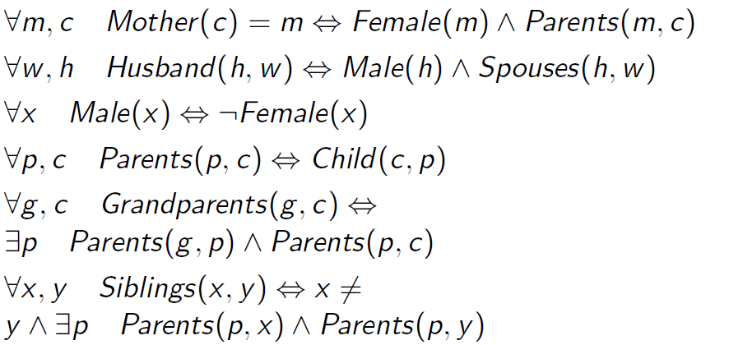

 |  | Grandchild |  | A c, g Grandchild(c, g) <=> E p Child(c, p) ^ Child(p, g)
 |  | Great grandparent |  | A ggp, c Greatgrandparent(ggp, c) <=> Ep, Eg Parents(ggp, g) ^ Parents (g, p) ^ Parents(p, c)
 |  | Uncle |  | A c, u Uncle(u, c) <=> Ep Brother(u, p) ^ Parents(p, c)
 |  | Cousin |  | A x, y Cousin(x, y) <=> Ep Siblings(Parents(p, x), Parents(p, y) ^ ~Siblings(x, y)

 | Knowledge Engineering

 |  | Process:
 |  |  | 1. Identify the task. This can be done by defining the questions to be answered by KB
 |  |  | 2. Assemble relevant knowledge.
 |  |  | 3. Decide on a vocabulary of predicates, functions and constants. The resulted vocabulory is called ontology of domain.
 |  |  | 4. Encode general knowledge of the domain. This is done by writing axioms for all vocabulory terms. Errors can be identified here and vocabulory of step 3 can be fixed. Iterations can happen. |  |  |  |  |  | TELL
 |  |  | 5. Encode a description of the specific problem instance. |  |  |  |  |  | TELL
 |  |  | 6. Pose queries to the inference procedure and get answers. |  |  |  |  |  | ASK
 |  |  | 7. Debug the knowledge base and eliminate errors

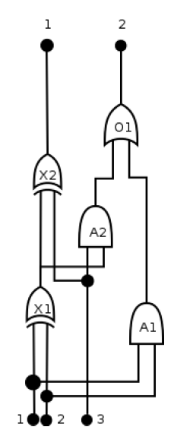
 |  |  |  | Step 1: | Identify the task / problem:
 |  |  |  |  | 1. Identify the function/output of the circuit based on the inputs
 |  |  |  |  | 2. Check if there are any feedback loops.
 |  |  |  |  | 3. Investigate delays and power consumptions (Optional)

 |  |  |  | Step 2: | Collect relevant Know How:
 |  |  |  |  | 1. Digital circuits are made of logic gates and wires
 |  |  |  |  | 2. Signals are sent via wire to the inputs of the Gates.
 |  |  |  |  | 3. Gates processes the signals to produce output.
 |  |  |  |  | 4. Four types of Gates to consider OR, AND, XOR and NOT.
 |  |  |  |  | 5. OR, AND and XOR gates have two inputs and one output each. NOT has one input and one output.
 |  |  |  |  | 6. We can neglect the effect of wires and focus on only inputs and outputs of gates for the simplicity.

 |  |  |  | Step 3: | Define the vocabulary:
 |  |  |  |  | 1. Constants: In order to make Gates distinguishable, we map the gates to constants e.g. X1, X2, ...
 |  |  |  |  | 2. Functions: The functioning of the Gate is dependent on its type, so we define a function Type which tells us exactly that. e.g. Type(X1) = XOR.
 |  |  |  |  |  | We define functions IN and OUT for input and output. e.g IN(1, X1) means 1st input of X1, OUT(1, A1) means 1st output of A1.
 |  |  |  |  |  | A function Signal can be used to denote that a certain variable represents a signal. e.g. Signal(t) means t is a signal.
 |  |  |  |  | 4. Predicate: The connection between two gates is a relation between two gates, so it can be defined using a predicate Connected.
 |  |  |  |  |  | E.g.: Connected(Out(1, X1), IN(2, A2)) tells that Output 1 of X1 is connected to Input 2 of A2.
 |  |  |  |  | 5. Constants 0 and 1 should be used to indicate signals 0 and 1.

 |  |  |  | Step 4: | Encode General Knowledge of Domain:
 |  |  |  |  | 1. If two inputs or outputs are connected, they share the signal:
 |  |  |  |  |  | A t1, t2 Connected(t1, t2) => Signal(t1) = Signal(t2)
 |  |  |  |  | 2. The signal can be either 0 or 1.
 |  |  |  |  |  | At Signal(t) = 0 ^ Signal(t) = 1
 | Adder Circuit example |  |  |  | 3. The predicate Connected is commutative:
 |  |  |  |  |  | A t1, t2 Connected(t1, t2) <=> Connected(t2, t1)
 |  |  |  |  | 4. The output of an OR gate is 1, if and only if at least 1 input is 1.
 |  |  |  |  |  | A g Type(g) = OR => Signal(Out(1, g) = 1 <=> En Signal(In(n, g)) = 1
 |  |  |  |  | 5. The output of an AND gate is 0, if and only if at least one of the input is 0
 |  |  |  |  |  | A g Type(g) = AND => Signal(Out(1, g) = 0 <=> En Signal(In(n, g)) = 0
 |  |  |  |  | 6. The output of an XOR gate is 1 if and only if both inputs differ
 |  |  |  |  |  | A g Type(g) = XOR => Signal(Out(1, g) = 1 <=> Signal(In(1, g)) != Signal(In(2, g))
 |  |  |  |  | 7. The output of the NOT gate differs from its input
 |  |  |  |  |  | A g Type(g) = NOT => Signal(In(1, g)) != Signal(Out(1, g))

 |  |  |  | Step 5: | Encoding information specific to our problem
 |  |  |  |  | At this step, we encode information specific to our Adder Circuit

 |  |  |  |  | Type(X1) = XOR, Type(X2) = XOR, Type(A1) = AND, Type(A2) = AND, Type(O1) = OR

 |  |  |  |  | Connected(In(1, X1), In(1, C)) |  |  |  | C is input 1 of overall circuit
 |  |  |  |  | Connected(Out(1, X1), In(1, X2))
 |  |  |  |  | And so on...

